life expectancy
Due to Progress |  |  |  |  | brought to you by
Life expentancy is growing by 3 months every year |  |  |  |  | ExcelMadeEasy.com

The green bar represent this year and your age
 | MEN | birth year | WOMEN | birth year
 | life exp | 1944 | life exp | 1995
2010 | 80 | 66 | 85 | 15
2011 | 80.25 | 67 | 85.25 | 16
2012 | 80.5 | 68 | 85.5 | 17
Warning: This life expectancy template is of course only for information and not to be taken too seriously.
2013 | 80.75 | 69 | 85.75 | 18
2014 | 81 | 70 | 86 | 19
2015 | 81.25 | 71 | 86.25 | 20
2016 | 81.5 | 72 | 86.5 | 21
2017 | 81.75 | 73 | 86.75 | 22
2018 | 82 | 74 | 87 | 23
The orange zone represent the age and year you will be part of the lucky ones that are over the life expectancy.
2019 | 82.25 | 75 | 87.25 | 24
2020 | 82.5 | 76 | 87.5 | 25
2021 | 82.75 | 77 | 87.75 | 26
2022 | 83 | 78 | 88 | 27
2023 | 83.25 | 79 | 88.25 | 28
2024 | 83.5 | 80 | 88.5 | 29
2025 | 83.75 | 81 | 88.75 | 30
2026 | 84 | 82 | 89 | 31
2027 | 84.25 | 83 | 89.25 | 32
2028 | 84.5 | 84 | 89.5 | 33
2029 | 84.75 | 85 | 89.75 | 34
2030 | 85 | 86 | 90 | 35
2031 | 85.25 | 87 | 90.25 | 36
2032 | 85.5 | 88 | 90.5 | 37
2033 | 85.75 | 89 | 90.75 | 38
2034 | 86 | 90 | 91 | 39
2035 | 86.25 | 91 | 91.25 | 40
2036 | 86.5 | 92 | 91.5 | 41
2037 | 86.75 | 93 | 91.75 | 42
2038 | 87 | 94 | 92 | 43
2039 | 87.25 | 95 | 92.25 | 44
2040 | 87.5 | 96 | 92.5 | 45
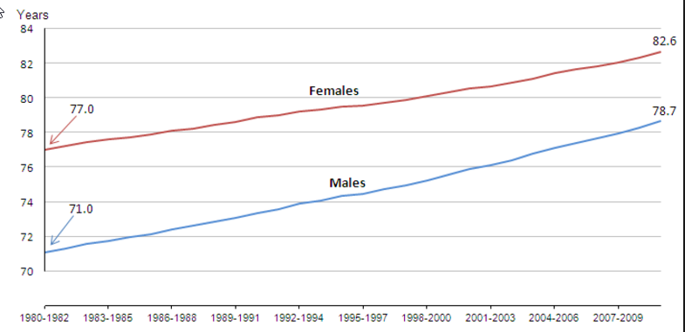
2041 | 87.75 | 97 | 92.75 | 46
2042 | 88 | 98 | 93 | 47
2043 | 88.25 | 99 | 93.25 | 48
2044 | 88.5 | 100 | 93.5 | 49
2045 | 88.75 | 101 | 93.75 | 50
2046 | 89 | 102 | 94 | 51
2047 | 89.25 | 103 | 94.25 | 52
2048 | 89.5 | 104 | 94.5 | 53
2049 | 89.75 | 105 | 94.75 | 54
2050 | 90 | 106 | 95 | 55
2051 | 90.25 | 107 | 95.25 | 56
2052 | 90.5 | 108 | 95.5 | 57
2053 | 90.75 | 109 | 95.75 | 58
2054 | 91 | 110 | 96 | 59
2055 | 91.25 | 111 | 96.25 | 60
2056 | 91.5 | 112 | 96.5 | 61
2057 | 91.75 | 113 | 96.75 | 62
2058 | 92 | 114 | 97 | 63
2059 | 92.25 | 115 | 97.25 | 64
2060 | 92.5 | 116 | 97.5 | 65
2061 | 92.75 | 117 | 97.75 | 66
2062 | 93 | 118 | 98 | 67 |  | UK bureau of statistics
2063 | 93.25 | 119 | 98.25 | 68
2064 | 93.5 | 120 | 98.5 | 69
2065 | 93.75 | 121 | 98.75 | 70
2066 | 94 | 122 | 99 | 71
2067 | 94.25 | 123 | 99.25 | 72
2068 | 94.5 | 124 | 99.5 | 73
2069 | 94.75 | 125 | 99.75 | 74
2070 | 95 | 126 | 100 | 75
2071 | 95.25 | 127 | 100.25 | 76
2072 | 95.5 | 128 | 100.5 | 77
2073 | 95.75 | 129 | 100.75 | 78
2074 | 96 | 130 | 101 | 79
2075 | 96.25 | 131 | 101.25 | 80
2076 | 96.5 | 132 | 101.5 | 81
2077 | 96.75 | 133 | 101.75 | 82
2078 | 97 | 134 | 102 | 83
2079 | 97.25 | 135 | 102.25 | 84
2080 | 97.5 | 136 | 102.5 | 85
2081 | 97.75 | 137 | 102.75 | 86
2082 | 98 | 138 | 103 | 87
2083 | 98.25 | 139 | 103.25 | 88
2084 | 98.5 | 140 | 103.5 | 89
2085 | 98.75 | 141 | 103.75 | 90
2086 | 99 | 142 | 104 | 91
2087 | 99.25 | 143 | 104.25 | 92
2088 | 99.5 | 144 | 104.5 | 93
2089 | 99.75 | 145 | 104.75 | 94
2090 | 100 | 146 | 105 | 95
2091 | 100.25 | 147 | 105.25 | 96
2092 | 100.5 | 148 | 105.5 | 97
2093 | 100.75 | 149 | 105.75 | 98
2094 | 101 | 150 | 106 | 99
2095 | 101.25 | 151 | 106.25 | 100
2096 | 101.5 | 152 | 106.5 | 101
2097 | 101.75 | 153 | 106.75 | 102
2098 | 102 | 154 | 107 | 103
2099 | 102.25 | 155 | 107.25 | 104
2100 | 102.5 | 156 | 107.5 | 105
2101 | 102.75 | 157 | 107.75 | 106
2102 | 103 | 158 | 108 | 107
2103 | 103.25 | 159 | 108.25 | 108
2104 | 103.5 | 160 | 108.5 | 109
2105 | 103.75 | 161 | 108.75 | 110
2106 | 104 | 162 | 109 | 111
2107 | 104.25 | 163 | 109.25 | 112
2108 | 104.5 | 164 | 109.5 | 113
2109 | 104.75 | 165 | 109.75 | 114
2110 | 105 | 166 | 110 | 115
2111 | 105.25 | 167 | 110.25 | 116
2112 | 105.5 | 168 | 110.5 | 117
2113 | 105.75 | 169 | 110.75 | 118
2114 | 106 | 170 | 111 | 119

